Thickness
 |  | Scantling Calculation

ABS Rules for Building and Classing Steel Vessels

Principal Particulars

LOA |  | 68.53 | m
LWL |  | 64.76 | m
L = 97% of Lwl |  | 62.82 | m
LBP |  | 64.55 | m
Breadth, B |  | 10.77 | m
Depth, H |  | 5.05 | m
Draft, T |  | 3.8 | m
Frame Spacing,s |  | 500 | mm
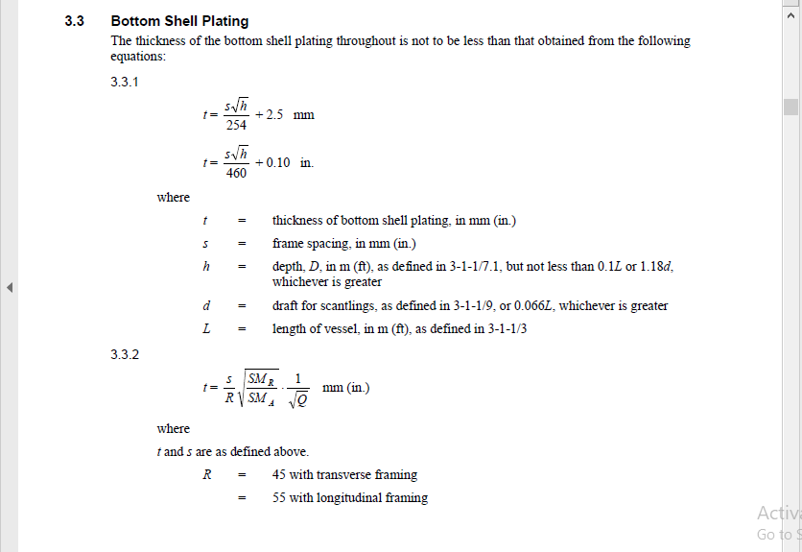
Web Frame Spacing |  | 1500 | mm
Stiffener Spacing |  | 700 | mm |  | (Transverse)
 |  | 1000 | mm |  | (Longitudinal)

Thickness Calculation

Shell Plating

 | Draft for scantling, d= 0.0666L or 0.66D |  |  | = | 4.15 | m
 | h = 0.1L or 1.18d |  |  | = | 6.28 | m

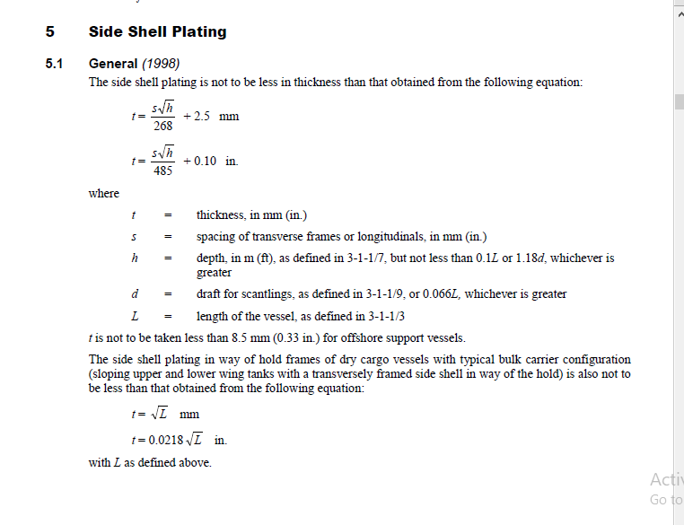
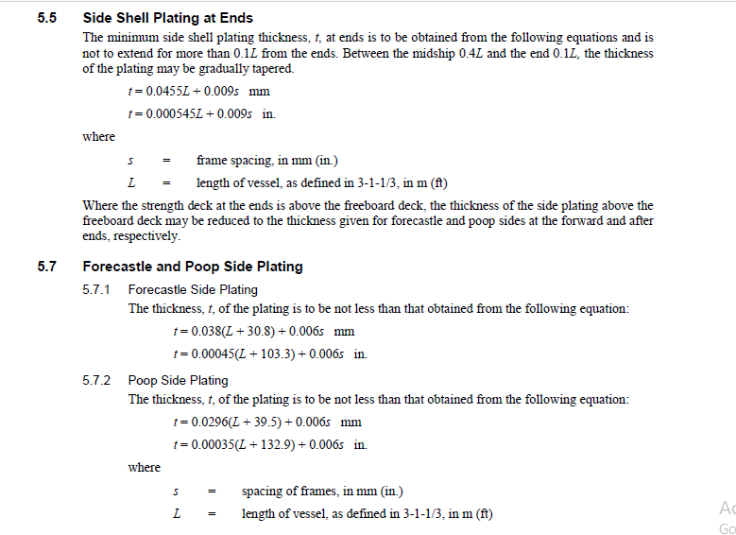
 | Botton Shell Plating |  |  |  |  |  | (Ref-Part-3,Chapter-2,Section-2(3.3),Page-44)

 | Thickness,t = s√h/254+2.5 |  |  | = | 7.43 | mm
 |  |  |  | ≈ | 8 | mm

 | Side Shell Plating |  |  |  |  |  | (Ref-Part-3,Chapter-2,Section-2(5.1),Page-45)

 | Thickness,t = s√h/268+2.5 |  |  | = | 7.18 | mm
 |  |  |  | ≈ | 8 | mm

 | Side Shell Plating at Ends |  |  |  |  |  | (Ref-Part-3,Chapter-2,Section-2(5.5),Page-46)

 | Thickness,t = 0.0455L + 0.009s |  |  | = | 7.36 | mm
 |  |  |  | ≈ | 8 | mm

 | Forecastle Side Plating |  |  |  |  |  | (Ref-Part-3,Chapter-2,Section-2(5.7.1),Page-46)
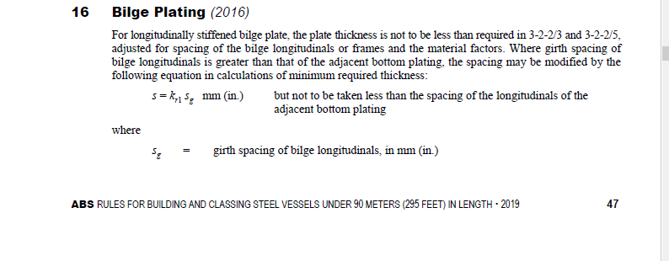
 | Thickness,t = 0.038(L + 30.8) + 0.006s |  |  | = | 6.56 | mm
 |  |  |  | ≈ | 7 | mm

 | Poop Side Plating |  |  |  |  |  | (Ref-Part-3,Chapter-2,Section-2(5.7.2),Page-46)

 | Thickness,t = 0.0296(L +39.5) + 0.006s |  |  | = | 6.03 | mm
 |  |  |  | ≈ | 7 | mm

 | Bilge Plating |  |  |  |  |  | (Ref-Part-3,Chapter-2,Section-2(16),Page-47)

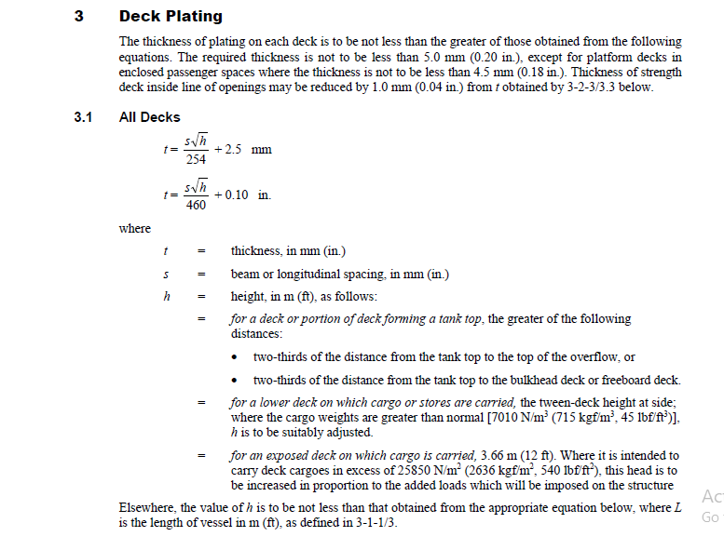
 | Thickness,t = Bottom Shell Plating |  |  | = | 7.43 | mm
 |  |  |  | ≈ | 8 | mm
Deck Plating

 | Deck Plating |  |  |  |  |  | (Ref-Part-3,Chapter-2,Section-3(3.1),Page-49)

 | Beam Sapcing, s |  |  | = | 500 | mm
 | h = 0.028L + 0.66 m |  |  | = | 2.47 | m

 | Thickness,t = s√h/254+2.5 |  |  | = | 5.59 | mm
 |  |  |  | ≈ | 6

Bottom Structure

 | Draft for scantling, d = 0.066L or 0.66D |  |  | = | 4.15 | m
 | Frame Spacing,s |  |  | = | 500 | mm

 | Center Keelson Thickness |  |  |  |  |  | (Ref-Part-3,Chapter-2,Section-4(3.3.1),Page-57)

 | Thickness,t = 0.063L + 5 |  |  | = | 8.96 | mm
 |  |  |  | = | 9 | mm

 | Side Keelson Thickness |  |  |  |  |  | (Ref-Part-3,Chapter-2,Section-4(3.3.5),Page-58)

 | Thickness,t = 0.063L + 4 |  |  | = | 7.96 | mm
 |  |  |  | ≈ | 8 | mm

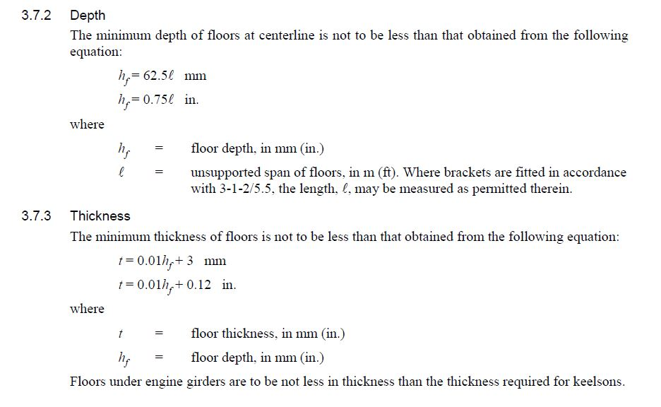
 | Floor |  |  |  |  |  | (Ref-Part-3,Chapter-2,Section-4(1.7),Page-55)

 | Unsupported Span of floors, l = |  |  | = | 9.77 | m

 | Depth,hf = 62.5l |  |  | = | 610.625 | mm
 |  |  |  | ≈ | 615 | mm

 | Thickness,t = 0.01hf + 3 |  |  | = | 9.11 | mm
 |  |  |  | ≈ | 10 | mm

 | Center and Side Brackets |  |  |  |  |  | (Ref-Part-3,Chapter-2,Section-4(1.9),Page-55)

 | Thickness,t |  |  | = | 7.96 | mm
 |  |  |  | ≈ | 8 | mm

Side Structure

 | Side Web Frames |  |  |  |  |  | (Ref-Part-3,Chapter-2,Section-5(7.5),Page-70)

 | Unsupported span, l |  |  |  | 1.5 | m

 | Depth = 125l |  |  | = | 187.5 | mm
 |  |  |  | ≈ | 190 | mm

 | Thickness, t = 0.01*Depth+3 |  |  | = | 4.88 | mm
 |  |  |  | ≈ | 5 | mm

 | Side Stringers |  |  |  |  |  | (Ref-Part-3,Chapter-2,Section-5(11.3),Page-71)

 | Depth = 0.125l+Depth of frames/4 |  |  | = | 47.06 | mm
 |  |  |  | ≈ | 50 | mm

 | Thickness ,t = 0.014L+7.2 |  |  | = | 8.08 | mm
 |  |  |  | ≈ | 9 | mm

Bulkheads
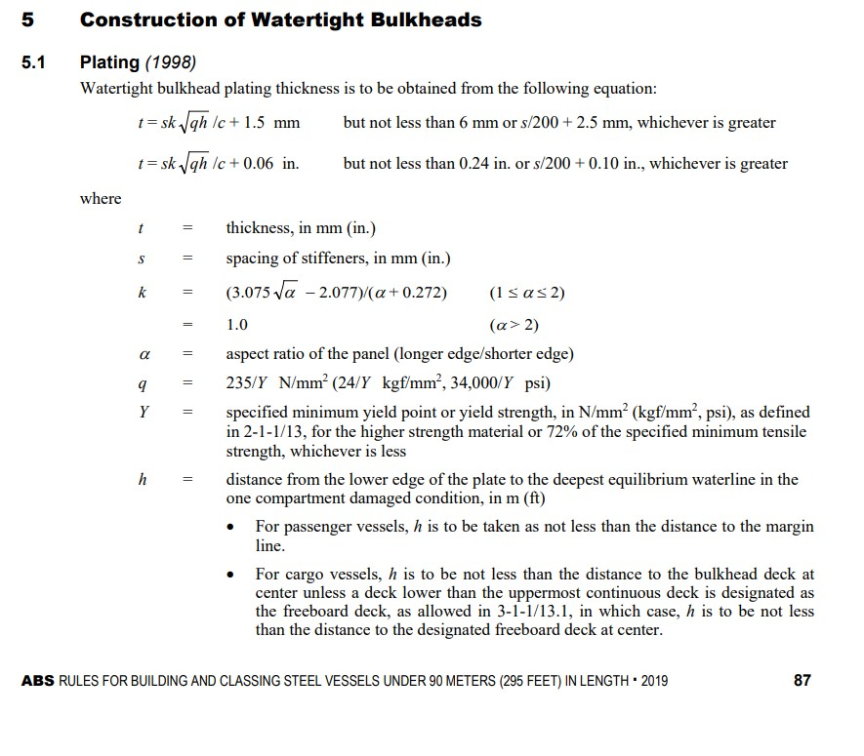
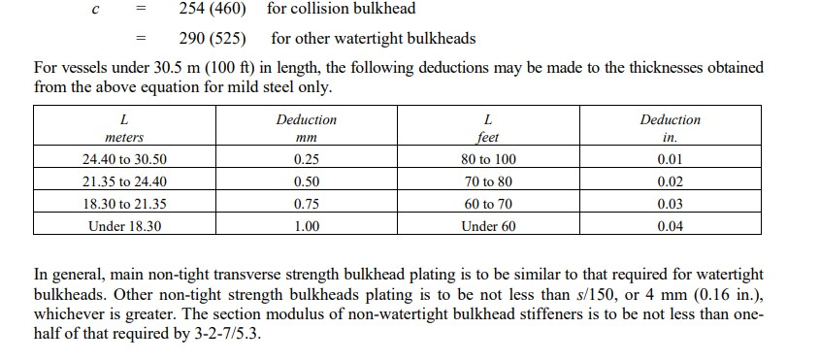

 | Watertight Bulkhead |  |  |  |  |  | (Ref-Part-3,Chapter-2,Section-7(5.1),Page-87)

 | Stiffener Spacing, s |  |  | = | 700 | mm
 | k |  |  | = | 1
 | q |  |  | = | 0.94
 | c |  |  | = | 290

 | Plating thickness,t = sk√(qh)/c + 1.5 |  |  | = | 7.37 | mm
 |  |  |  | ≈ | 8 | mm

 | Collision Bulkhead |  |  |  |  |  | (Ref-Part-3,Chapter-2,Section-7(5.1),Page-87)

 | Stiffener Spacing, s |  |  | = | 700 | mm
 | k |  |  | = | 1
 | q |  |  | = | 0.94
 | c |  |  | = | 254

 | Plating thickness,t = sk√(qh)/c + 1.5 |  |  | = | 8.20 | mm
 |  |  |  | ≈ | 9 | mm

 | Corrugated Bulkhead |  |  |  |  |  | (Ref-Part-3,Chapter-2,Section-7(5.7.1),Page-90)

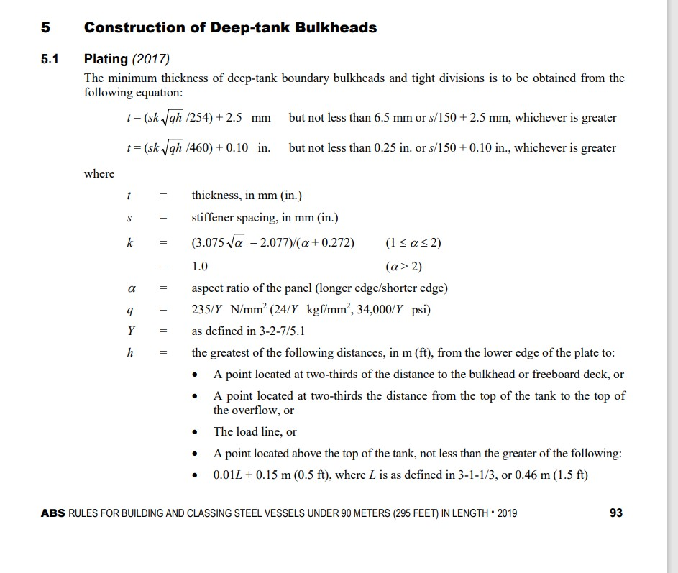
 | Plating thickness,t |  |  | = | 8.00 | mm

Deep Tanks

 | Deep tank bulkheads |  |  |  |  |  | (Ref-Part-3,Chapter-2,Section-8(5.1),Page-93)

 | Stiffener Spacing, s |  |  | = | 700 | mm
 | k |  |  | = | 1
 | q |  |  | = | 0.94
 | c |  |  | = | 254

 | t = (sk√qh/254) + 2.5 mm |  |  | = | 9.20 | mm
 |  |  |  | ≈ | 10 | mm

 | Tank top plating |  |  |  |  |  | (Ref-Part-3,Chapter-2,Section-8(7),Page-96)

 | t = Vertical plating thickness + 1 |  |  | = | 10.20 | mm
 |  |  |  | ≈ | 11 | mm

Superstructures and Deckhouses

 | Side Plating |  |  |  |  |  | (Ref-Part-3,Chapter-2,Section-9(1.1),Page-97)

 | Thickness,t = Side Shell Plating |  |  | = | 7.18 | mm
 |  |  |  | ≈ | 8 | mm
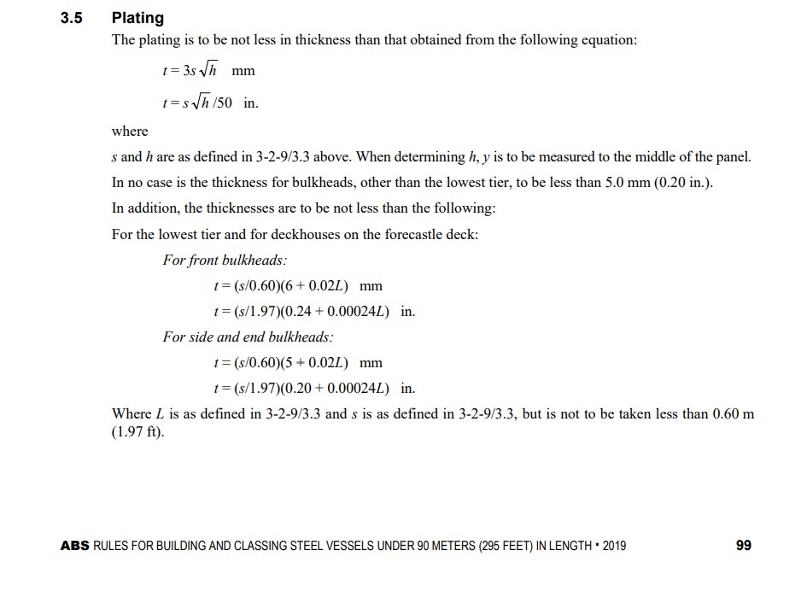
 | Top Plating |  |  |  |  |  | (Ref-Part-3,Chapter-2,Section-9(1.1),Page-97)

 | Thickness,t = Deck plating |  |  | = | 5.59 | mm
 |  |  |  | ≈ | 6 | mm

 | For the lowest tier and for deckhouses on the forecastle deck |  |  |  |  |  | (Ref-Part-3,Chapter-2,Section-9(3.5),Page-99)

 | t = (s/0.6)(6+0.02L) or 5 mm |  |  | = | 8.47 | mm | Front bulkheads
 |  |  |  | ≈ | 9 | mm

 | t = (s/0.6)(5+0.02L) or 5 mm |  |  | = | 7.30 | mm | Side and end bulkheads
 |  |  |  | ≈ | 8 | mm

Keel

 | Plate Keel |  |  |  |  |  | (Ref-Part-3,Chapter-2,Section-10(1.3),Page-106)

 | Thickness,t= Bottom shell plating thickness |  |  | = | 7.43 | mm
 |  |  |  | ≈ | 8 | mm

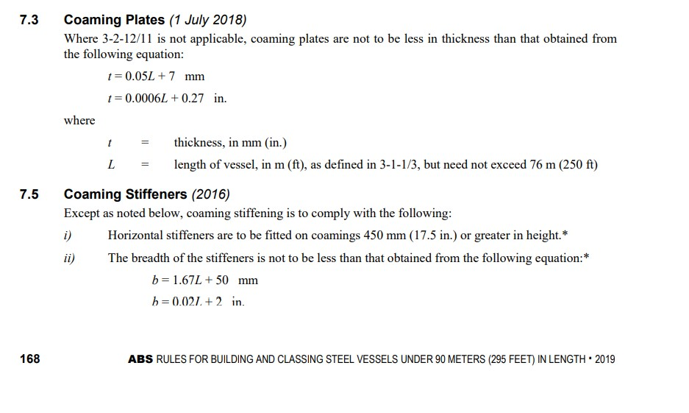
Hatch Cover and Coamings

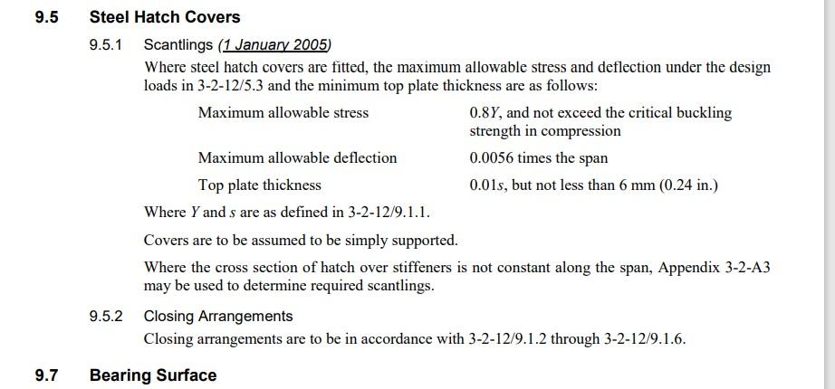
 | Coaming Plates |  |  |  |  |  | (Ref-Part-3,Chapter-2,Section-12(7.3),Page-168)

 | Thickness,t = 0.05L + 7 |  |  | = | 10.14 | mm
 |  |  |  | ≈ | 11 | mm

 | Coaming Stiffeners |  |  |  |  |  | (Ref-Part-3,Chapter-2,Section-12(7.5),Page-168)

 | Breadth,b = 1.67L + 50 |  |  | = | 154.90 | mm
 |  |  |  | ≈ | 160 | mm

 | Height |  |  |  | 450 | mm

 | Steel Hatch Covers |  |  |  |  |  | (Ref-Part-3,Chapter-2,Section-12(9.5),Page-171)

 | Stiffener spacing, s |  |  | = | 700 | mm

 | Top plate thickness,t = 0.01s |  |  | = | 7 | mm

Bulwark |  |  |  |  |  |  | (Ref-Part-3,Chapter-2,Section-14(1.3),Page-226)

 | Plating Thickness |  |  | = | 6.5 | mm
 |  |  |  | ≈ | 7 | mm

Section Modulus
 |  |  |  | Section Modulus Calculation

Bottom Structure

 | Center Keelson |  |  |  |  |  | (Ref-Part-3,Chapter-2,Section-4(1.7),Page-55)

 |  | Top Plate Area, A = 0.168L3/2 – 8 |  | = | 75.64 | cm2

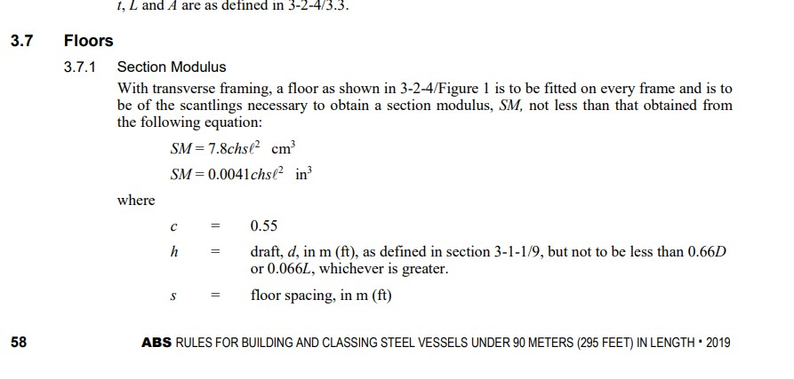
 |  |  | Dimension | = | T - 620 x 200 x 10

 | Floor |  |  |  |  |  | (Ref-Part-3,Chapter-2,Section-4(3.7.1),page-58)

 |  | c |  | = | 0.55
 |  | h |  | = | 4.15
 |  | Spacing,s |  | = | 0.5 | m
 |  | Span Length,l |  | = | 9.77 | m

 |  |  | SM | = | 7.8 chsl2

 |  |  |  | = | 848.87 | cm3

 |  |  | Dimension | = | T - 620 x 180 x 10

 | Side Keelson |  |  |  |  |  | (Ref-Part-3,Chapter-2,Section-4(3.3.5),Page-58)

 |  | Thickness, A = 0.038L3/2 + 17 |  | = | 35.92 | cm2

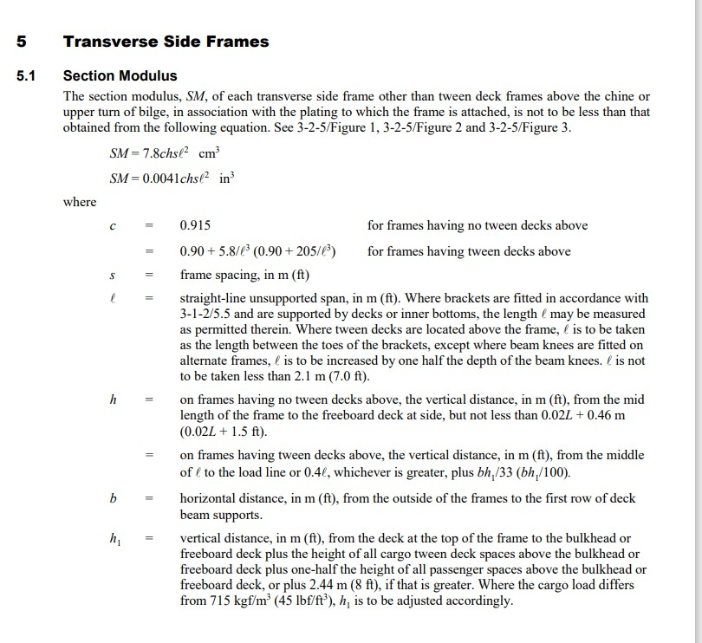
 |  |  | Dimension | = | T - 620 x 150 x 8

Side Structure

 | Side Frames |  |  |  |  |  | (Ref-Part-3,Chapter-2,Section-5(5.1),page-67)

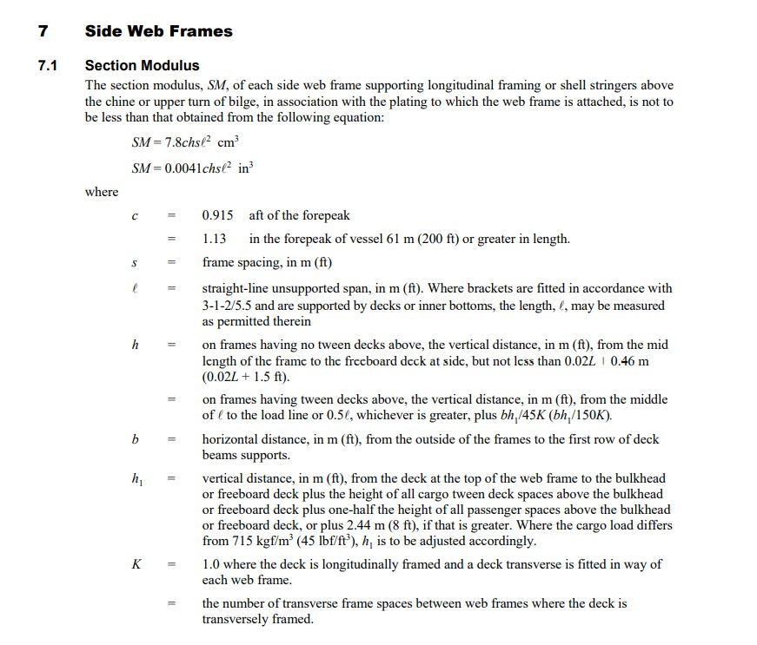
 |  | c |  | = | 0.915
 |  | h=0.02L+0.46 m |  | = | 1.72 | m
 |  | Frame spacing,s |  | = | 0.5 | m
 |  | Unsupported Span Length,l |  | = | 1.5 | m

 |  |  | SM | = | 7.8 chsl2

 |  |  |  | = | 13.78 | cm3

 |  |  | Dimension | = | L - 90 x 60 x 8

 | Side Web Frames |  |  |  |  |  | (Ref-Part-3,Chapter-2,Section-5(7.1),page-70)

 |  | c |  | = | 1.13
 |  | h=0.02L+0.46 m |  | = | 1.72 | m
 |  | Frame spacing,s |  | = | 0.5 | m
 |  | Unsupported Span Length,l |  | = | 1.5 | m

 |  |  | SM | = | 7.8 chsl2

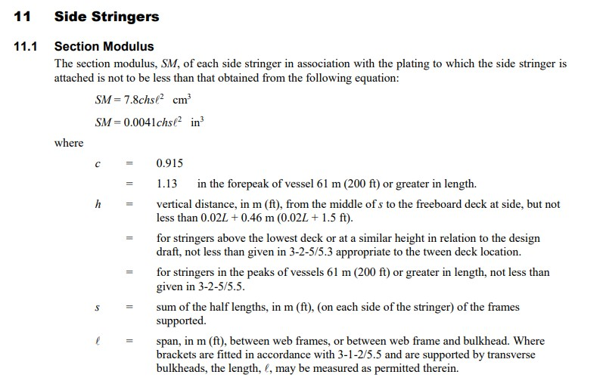
 |  |  |  | = | 17.02 | cm3

 |  |  | Dimension | = | T - 120 x 70 x 6

 | Side Stringers |  |  |  |  |  | (Ref-Part-3,Chapter-2,Section-5(11.1),page-71)

 |  | c |  | = | 1.13
 |  | h=0.02L+0.46 m |  | = | 1.72 | m
 |  | Frame spacing,s |  | = | 0.5 | m
 |  | Unsupported Span Length,l |  | = | 1.5 | m

 |  |  | SM | = | 7.8 chsl2

 |  |  |  | = | 17.02 | cm3

 |  |  | Dimension | = | T - 120 x 70 x 6

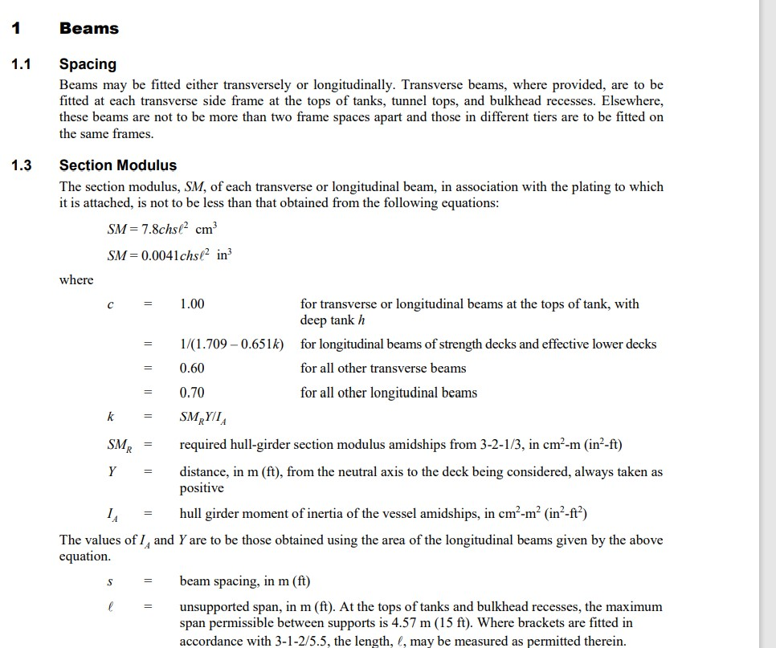

Deck Structure

 | Beams |  |  |  |  |  | (Ref-Part-3,Chapter-2,Section-6(1.3),page-76)

 |  | c |  | = | 0.6
 |  | h=0.02L+0.46 m |  | = | 1.72 | m
 |  | Frame spacing,s |  | = | 0.5 | m
 |  | Unsupported Span Length,l |  | = | 1.5 | m

 |  |  | SM | = | 7.8 chsl2

 |  |  |  | = | 9.04 | cm3

 |  |  | Dimension | = | L - 75 x 50 x 7

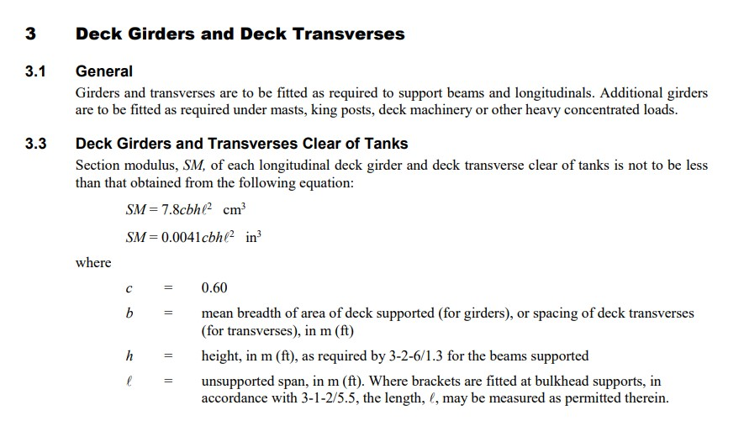
 | Deck Girders |  |  |  |  |  | (Ref-Part-3,Chapter-2,Section-6(3.3),page-76)

 |  | c |  | = | 0.6
 |  | h=0.02L+0.46 m |  | = | 1.72 | m
 |  | Mean Breadth,b |  | = | 1.795 | m
 |  | Unsupported Span Length,l |  | = | 1.5 | m

 |  |  | SM | = | 7.8 chsl2

 |  |  |  | = | 32.4 | cm3

 |  |  | Dimension | = | T - 120 x 60 x 7
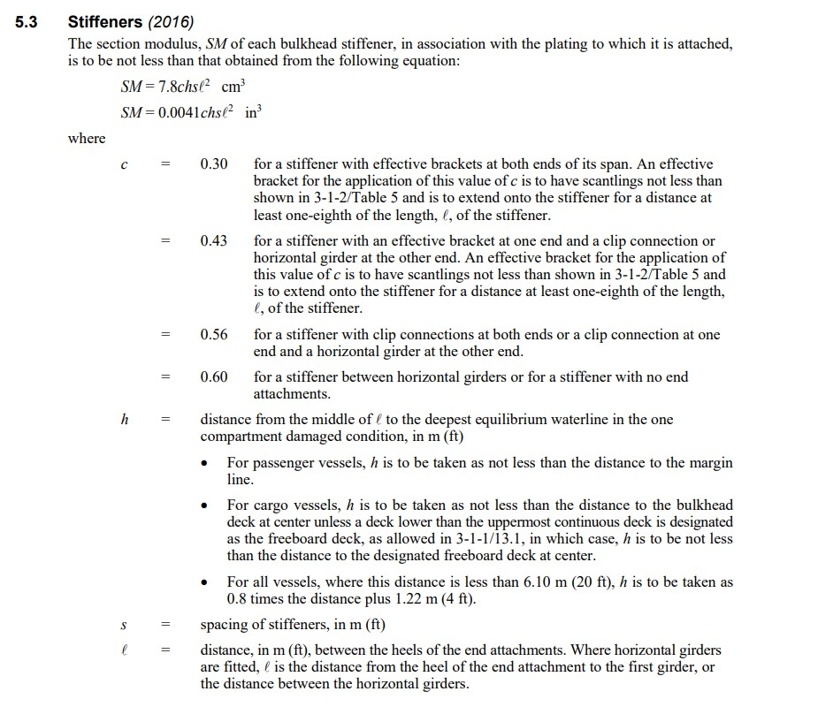

Watertight Bulkheads

 | Bulkhead stiffener |  |  |  |  |  | (Ref-Part-3,Chapter-2,Section-7(5.3),page-88)

 |  | c |  | = | 0.6
 |  | h=Depth - Depth of Center Girder |  | = | 4.44 | m
 |  | Stiffener Spacing,s |  | = | 0.7 | m
 |  | Unsupported Span,l |  | = | 1.5 | m

 |  |  | SM | = | 7.8 chsl2

 |  |  |  | = | 32.72 | cm3
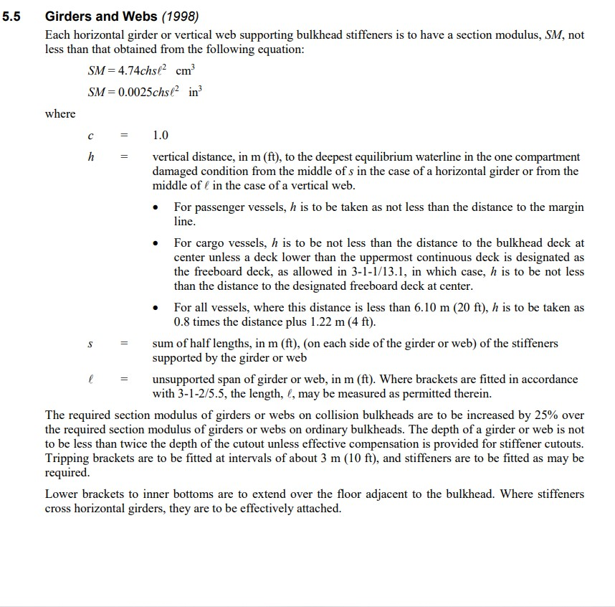
 |  |  | Dimension | = | L - 140 x 90 x 8

 | Girders and Webs |  |  |  |  |  | (Ref-Part-3,Chapter-2,Section-7(5.5),page-89)

 |  | c |  | = | 1
 |  | h=Depth - Depth of Center Girder |  | = | 4.44 | m
 | s = Sum of half-lengths between girder/webs |  |  | = | 0.75 | m
 |  | Unsupported Span,l |  | = | 1.5 | m

 |  |  | SM | = | 4.74 chsl2

 |  |  |  | = | 35.51 | cm3

 |  |  | Dimension | = | T - 150 x 80 x 7

Deep Tanks
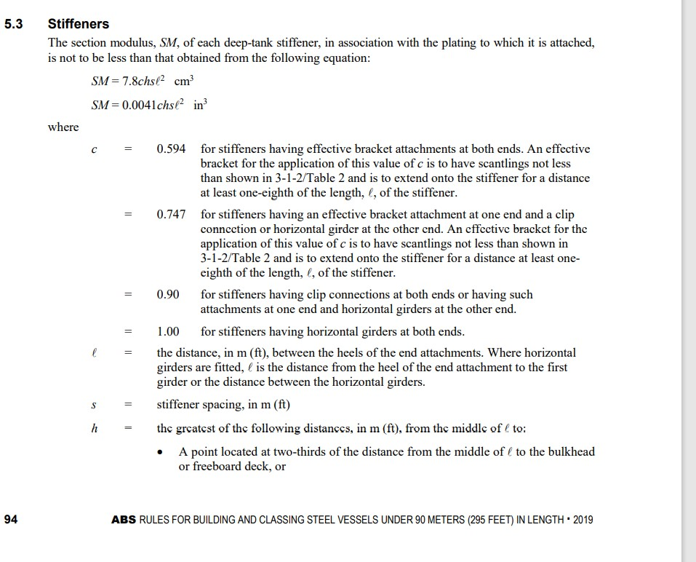

 | Deep Tank Stiffener |  |  |  |  |  | (Ref-Part-3,Chapter-2,Section-8(5.3),page-94)

 |  | c |  | = | 1
 |  | h= 0.01L+0.15 |  | = | 0.78 | m
 |  | Stiffener Spacing,s |  | = | 0.7 | m
 |  | Unsupported Span,l |  | = | 1.5 | m

 |  |  | SM | = | 7.8 chsl2

 |  |  |  | = | 9.56 | cm3

 |  |  | Dimension | = | L - 90 x 60 x 6

 | Corrugated Bulkhead Stiffener |  |  |  |  |  | (Ref-Part-3,Chapter-2,Section-8(5.5),page-95)

 |  | c |  | = | 0.9
 |  | h=Depth - Depth of Center Girder |  | = | 4.44 | m
 |  | Stiffener Spacing,s |  | = | 0.7 | m
 |  | Unsupported Span,l |  | = | 1.5 | m

 |  |  | SM | = | 7.8 chsl2
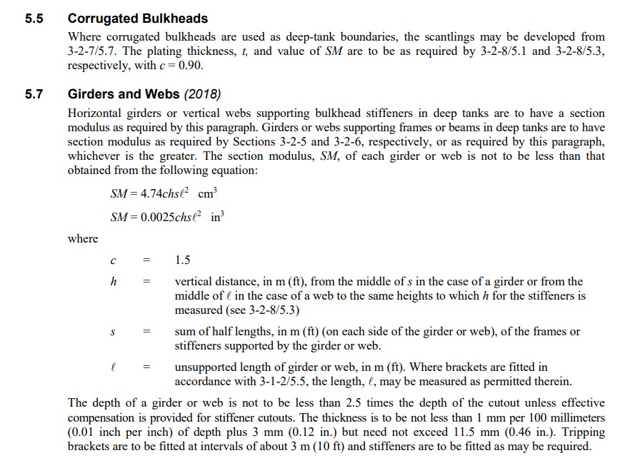
 |  |  |  | = | 49.08 | cm3

 |  |  | Dimension | = | L - 150 x 75 x 10

 | Girders and Webs |  |  |  |  |  | (Ref-Part-3,Chapter-2,Section-8(5.7),page-95)

 |  | c |  | = | 1.5
 |  | h |  | = | 0.75 | m
 |  | Stiffener Spacing,s |  | = | 0.7 | m
 |  | Unsupported Span,l |  | = | 1.5 | m

 |  |  | SM | = | 4.74 chsl2

 |  |  |  | = | 8.40 | cm3

 |  |  | Dimension | = | T - 80 x 50 x 6

Superstructures and Deckhouses
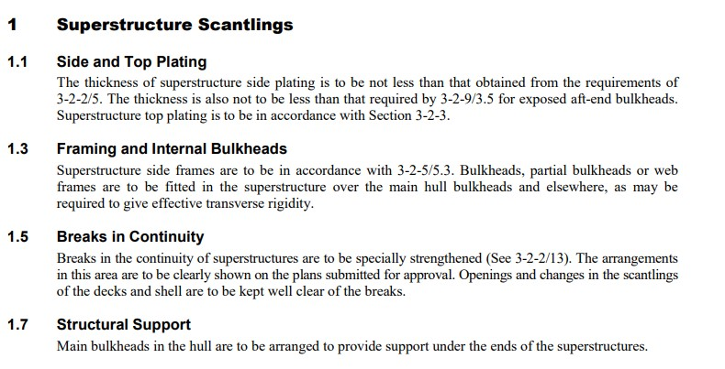

 |  | Side frames |  |  |  |  | (Ref-Part-3,Chapter-2,Section-9(1.3),page-97)

 |  | c |  | = | 0.915
 |  | h=0.02L+0.46 m |  | = | 1.72 | m
 |  | Frame spacing,s |  | = | 0.5 | m
 |  | Unsupported Span Length,l |  | = | 1.5 | m

 |  |  | SM | = | 7.8 chsl2

 |  |  |  | = | 13.78 | cm3
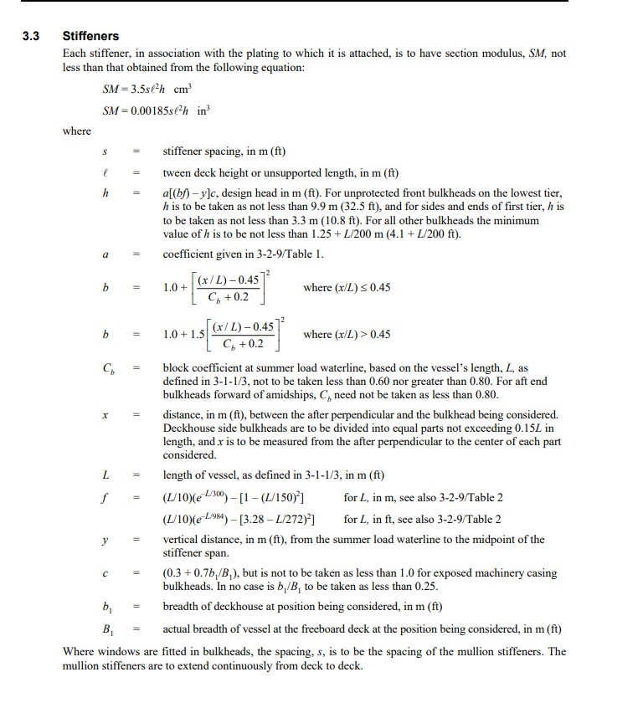
 |  |  | Dimension | = | L - 90 x 60 x 8

 |  | Stiffener |  |  |  |  | (Ref-Part-3,Chapter-2,Section-9(3.3),page-98)

 |  | Stiffener Spacing,s |  | = | 0.7 | m
 |  | h= 1.25+L/200 |  | = | 1.56 | m
 |  | Unsupported Span Length,l |  | = | 1.5 | m

 |  |  | SM | = | 3.5 hsl2

 |  |  |  | = | 8.62 | cm3

 |  |  | Dimension | = | L - 75 x 50 x 7

